Sheet1
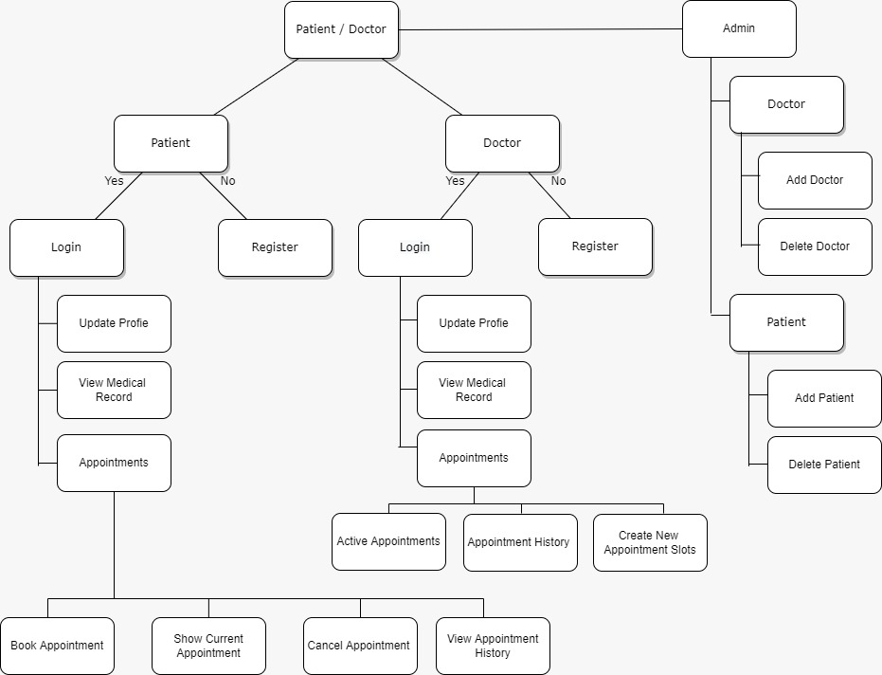
Flow Digram

ADMIN
DOCTOR
USER

User
Login/SignUp
ADMIN
DOCTOR

Login
SignUp

Update Profile
View Medical Record
Appointments

Appointments
Update Profile
View Medical Record

Doctor Selection

Book Appointments
Cancel Appointment
View Appointment History
Show Current Appointment

Sheet2
DOCTOR

Login
Login
Register
Register

Update profile
View Medical Records
Appointments
Update profile
View Medical Records
Appointments

Appointments
Update profile
View Patient's Medical Records
Appointments
Appointments
 | Appointments
Appointments | Appointments

Create New Appointment Slots
View Appointments
Appointments History

Sheet3
ADMIN

Patients
Doctor

Add Patients
Delete Patients
Add Doctor
Delete Doctor
Approve/Reject Doctor

